Algorithm Logic
Overview of the Policy Premium determining algorithm

Factors Values determining:

Data, using to determine factors values |  | Rate Tables |  |  |  |  |  |  |  | Discounts
 |  | MortgageRate, WellnessRate | TransportationLodgingAdjustment, EvaluationConsultationAdjustment | CleftLipOrPalateRate, DownsSyndromeRate, SpinaBifidaRate, CysticFibrosisRate, CerebralPalsyRate, EmergencySicknessRate, RateForHospitalConfinement,ParalysisRate, ParkinsonRate, BlindnessRate, DeafnessRate, AddisonDiseaseRate, BenignBrainTumorRate, AplasticAnemiaRate, ComaRate, SevereBurnRate | MaxConfinementFactor | MinConfinementFactor | RateForAdditionalDiagnosis, RecurranceRateForOtherBenefits | KidneyFailureRate, PartialBenefitCancerRate, ArteryBypassSurgeryRate, StrokeRate, OrganTransplantRate, FullBenefitCancerRate, HeartValveReplacementRate, HeartAttackRate, AorticSurgeryRate | RecurranceRateForStroke, RecurranceRateForHeartAttack | RenewalDiscount
Policy/Plan/Rider/ | Limit Amount | v
Policy/Plan/ | Individual Face Amount Pct
Policy/Plan/ | Spouse Face Amount Pct
Policy/Plan/ | Child Face Amount Pct
Policy/InsuredInfo/ | Age |  | v | v |  |  | v | v | v
Policy/InsuredInfo/ | Gender |  |  | v |  |  | v | v | v
Policy/InsuredInfo/ | SmokingFlag |  |  |  |  |  | v | v
Policy/Plan/Rider/ | Rider Name
Policy/Plan/Rider/ | Number of Max Days |  |  |  | v
Policy/Plan/Rider/ | Required Days |  |  |  |  | v
Policy/Plan/Rider/ | Months After Diagnosis |  |  |  |  |  |  |  | v
Policy/ | Quote Type |  |  |  |  |  |  |  |  | v
Policy/Plan/Coverage/ | Coverage Name |  |  |  |  |  | v

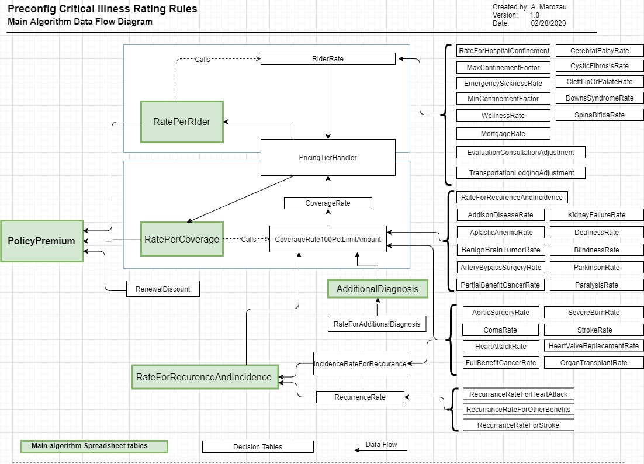
High level description of main algorithm calculation logic

Policy premium calculation is being executed fo Primary Insured (one only in the policy). The Preconfig data model contains one coverage only "PreconfigCIIndividualCoverage"

Step |  | Notes
Policy Premium
Coverage Rate | Rates are being determined using factors values (see the table above). Rates are being specified for Pricing Tier, depending on whether family members are included to the Policy or not
Rider Rate
Rates Of All Coverages = | Sum of all Coverages Rates for the Policy
Rates Per All Riders = | Sum of all Riders Rates for the Policy
Total Premium Before Discount = | Rates Of All Coverages + Rates Per All Riders
Total Monthly Premium = | Total Premium Before Discount * (1 - Renewal Discount) | Round to two decimals
Total Annual Premium = | Total Monthly Premium * 12

